READ ME
SAP
MEASURES SPREADSHEET
Step by step guide

Instructions |  | Rules of the sheet:
Step 1: | Complete "Project Details" tab in full |  | Editable cells
Step 2: | Create a duplicate of the Master tab ("Unit xx") and rename with your dwelling reference. The tab naming should match the Sample Schedule tab within "Project Details" |  | Non-editable cells
Step 3: | Complete "Unit tab" as needed following the instructions, notes, and Rules (see right) as needed |  | Drop down list
 | Collumns B and P should be used to reference the colours used to mark up the relevant lengths in Bluebeam |  | Link has been created to other cells (e.g. thermal bridging)
 | Insert links to marked up PDF files as indicated
Step 4: | Issue to reviewer for comment
Step 5: | Reviewer to carry out QA following guidance below.
Step 6: | Update following review and use measurements to complete Design SAP calculations

QA Rules:
When carrying out the QA, please use the following process:
QA mark up within the workbook |  | Example of QA recording
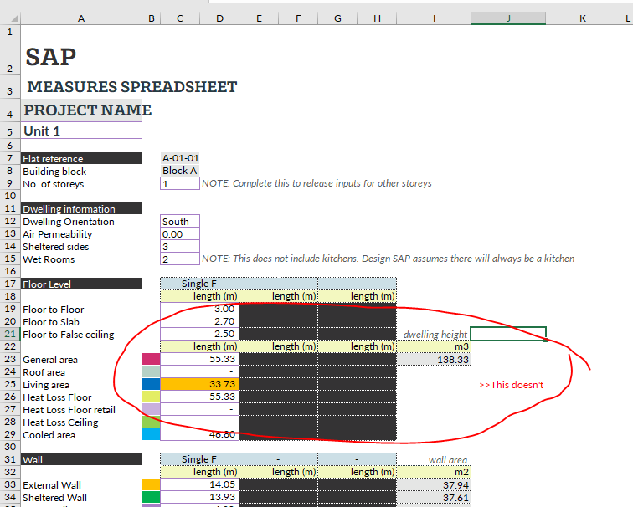
 | Error within cell
AaBbCc | Comment on error found in line with the associated cell (see example to the right)

Following review, the tabs should be coloured based on level of ammendment:
Tab colours:
 | To be QA'd
 | Pass QA with no ammendments needed
 | Minor ammendments required
 | Significant ammendments required
 | QA carried out and ammendments made, ready to use for Design SAP
This will provide an indication of what areas need ammendments and what can be ignored.
Once the ammendments have been made, change the tab colour to grey.
At this point, the measurements can be used

